Sheet1
 |  |  | Demand/
Nodes | Regions | Netflow | Supply in K | variable | From |  | To |  | Cost
1 | reg1 | -30 | -30 | 20 | 1 | reg1 | 6 | Pine Hills | 6.5
2 | reg2 | -40 | -40 | 10 | 1 | reg1 | 7 | Eustis | 7.5
3 | reg3 | -25 | -25 | 40 | 2 | reg2 | 6 | Pine Hills | 7
4 | reg4 | -35 | -35 | 0 | 2 | reg2 | 7 | Eustis | 8
5 | reg5 | -33 | -33 | 0 | 3 | reg3 | 6 | Pine Hills | 8.25
6 | Pine Hills | 60 | 60 | 0 | 3 | reg3 | 7 | Eustis | 7.25
7 | Eustis | 63 | 70 | 25 | 3 | reg3 | 8 | Sanford | 6.25
8 | Sanford | 40 | 40 | 20 | 4 | reg4 | 7 | Eustis | 7.75
 |  |  |  | 15 | 4 | reg4 | 8 | Sanford | 7
 | total supply |  | 163 | 33 | 5 | reg5 | 7 | Eustis | 7.5
 | Total Demand |  | 170 | 0 | 5 | reg5 | 8 | Sanford | 6.75

As total supply is less than total demand we use the constraint Netflow(in-out)<=Supply/demand

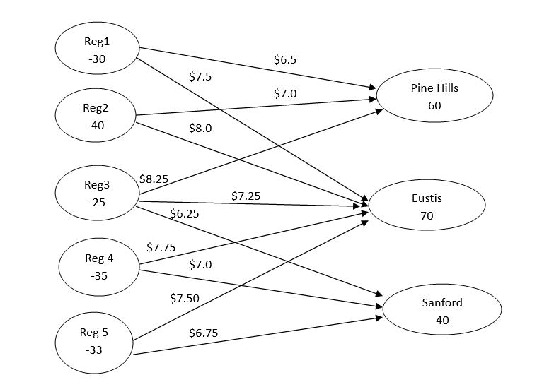
 |  |  |  |  |  |  | total | 1148.75

